big orgs
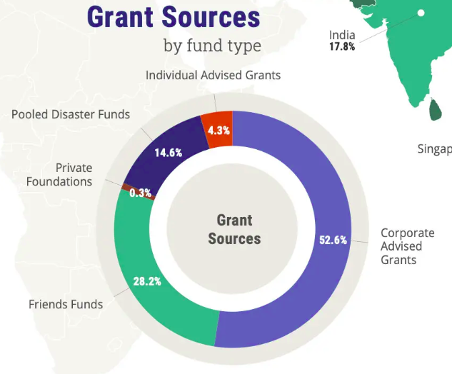
Environmental Non-profits in South-east Asia
Name of organisation | Mission | Programmes/ projects | Geographical focus | Membership demographic | No. of employees | Funding sources
IUCN - INTERNATIONAL UNION FOR CONSERVATION OF NATURE | Influence, encourage and assist societies to conserve the integrity and diversity of nature and ensure that any use of natural resources is equitable and ecologically sustainable IUCN is a membership Union of government and civil society organisations. Together, we work to advance sustainable development and create a just world that values and conserves nature. | Nature 2030: The IUCN Programme marks the culmination of many years of deliberation across the Union. Adopted by democratic vote at the IUCN World Conservation Congress in Marseille, the Nature 2030 IUCN Programme, for the first time, sets its ambition over ten years. It is a call for mobilisation to our Members, Commissions and Secretariat. This longer-term outlook aligns with the United Nations 2030 Agenda for Sustainable Development and the post-2020 global biodiversity framework. Areas where work is focused on: - Biodiversity - Business, finance and economics - Climate change - Freshwater and water security - Governance - law and rights - Nature-based Solutions - Ocean and coasts - Protected areas and land use | Global with many members from over 170 countries Regions focused on by IUCN: - Asia - Eastern and Southern Africa - Eastern Europe and Central Asia - Europe - Mediterranean - Mexico, Central America and the Caribbean - North America - Oceania - South America - West and Central Africa - West Asia | 1,400 Members from over 170 countries |  | 1. Foundations/ philantropy 2. Private Sector 3. Governments 4. Multilaterals 5. NGOs 6. Others - project incomes, framework incomes, membership dues, philantropy income
Give2Asia | Give2Asia is a U.S.-based public charity founded in 2001 which connects corporations, foundations, and individual donors with trusted local charities in Asia and around the world. Our mission is to strengthen communities in Asia by making cross-border giving easier and more effective. Give2Asia’s team of grantmaking experts and in-country advisors enable you to give with confidence. Based in the San Francisco Bay Area, Give2Asia is an international nonprofit that serves as a strategic partner and ally working on the ground in more than 23 countries across the Asia Pacific. Our role is to strengthen the work of local organizations and mobilize support through philanthropic giving from Individuals, Family Foundations, and Corporations. | https://give2asia.org/fund/ 1. Diksha Foundation 2. Sarathi Development Foundation 3. Medipeace 4. etc etc (they have alot of projects) | Asia - Afghanistan - Australia - Bangladesh - Bhutan - Cambodia - China - India - Indonesia - Japan - Laos - Malaysia - Mongolia - Myanmar - Nepal - New Zealand - Pakistan - Philippines - Singapore - South Korea - Sri Lanka - Thailand - Timor-Leste - Vietnam |  |  | 1. Individual Advised grants 2. Pooled disaster funds 3. Private foundations 4. Friends funds 5. Corporate Advised funds
CanSEA | The issue of climate change has to be addressed beyond the national level. Regional cooperation, particularly in fast developing Southeast Asia region, is absolutely essential so that all organisations concerned about the devastating effect of climate change can form partnerships to exchange information, strengthen communication and coordinate activities. The Climate Action Network Southeast Asia (CANSEA) was formed in 1991 to meet these objectives. It consists of at least 15 non-governmental organisations (NGO) based in Indonesia, Malaysia, Philippines and Thailand, with dozens of other organisations working in partnership on related issues such as renewable energy, sustainable energy development, natural resource management, technology development and exchange, international agreements and financing. The objective of CANSEA is to strengthen the ability of organisation concerned with climate change in the region to address this issue effectively. This would be through providing support for lobbying activities, training, education and awareness, exchange of information, pooling of resources and expanding network. | #WorldWeWant Campaign on Climate Impacts The Climate Action Network (CAN) #WorldWeWant Campaign on Climate Impacts drives collective action through the stories of communities affected by the climate crisis and serves as a clarion call for governments to address multiple and compounding crises to protect their citizens for a safe and resilient future. Through compelling, locally-produced, short smartphone videos we witness how decades of inaction on the climate crisis are impacting people, but also learn how communities are using grassroots solutions in both developing and developed countries to hold their leaders accountable. | Southeast Asia | Philippines, Cambodia, Vietnam, Thailand, Malaysia, Indonesia
Climateactiontracker

